Sheet1
title | Improving Language Understanding by Generative Pre-Training
author | Alec Radford Karthik Narasimhan Tim Salimans Ilya Sutskever
abstract | large gains on these tasks can be realized by generative pre-training of a language model on a diverse corpus of unlabeled text
 | followed by discriminative fine-tuning on each specific task
 | semi-supervised approach
 | based on tranformer (before BERT)
related work | /
framework | unsupervised pre-training
 |  | Θ is tranformer deoder
 |  | decoder is different from encoder ransformer because the prediction need autoregressive prediction

 | supervised fine-tuning

 | architectures | many kinds of issues can be applied similar template
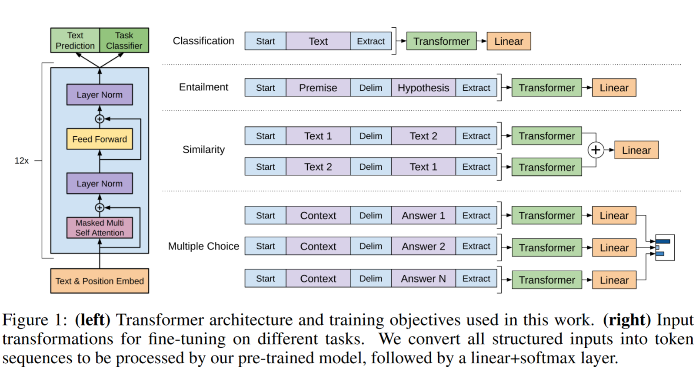

experiments | dataset | BookCorpus
 | tranformer arch. | 12-layer decoer-only
 |  | 768 dimensions states
 |  | 12 attention heads
 |  | 3072 dimensions inner states in position-wise feed-forward networks

